Sheet1
 | Qingdao Chrecary International Trade Co., Ltd Add: NO. 40, CHENGMA ROAD, TONGJI SUBDISTRICT OFFICE, QINGDAO, SHANDONG, CHINA Website: www.chrecary.com Email: Erica@chrecary,com Mobile/WhatsApp: 0086-18561734886
Quotation Sheet
To
Contacter
Contact information | Phone Number: Email: Address:
Image | Product Description | Color | quantity(set/sets) | FOB qingdao Price
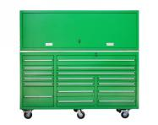 | Size:1830*650*1510mm Weight:396KG | customizable |  | $0.00
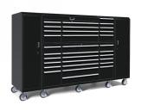 | Size:2900*750*1850mm Weight:450KG | customizable |  | $0.00
 | Size:2900*750*1850mm Weight:579KG | customizable |  | $0.00
 | Size:3310*600*1960mm | customizable |  | $0.00
 | Size:3310*600*1960mm | customizable |  | $0.00
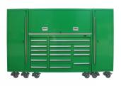 | Size:2900*600*1850mm Weight:644KG | customizable |  | $0.00
 | Size:2900*600*1850mm Weight:773KG | customizable |  | $0.00
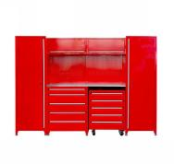 | Size:2800*600*1960mm Weight:180KG | customizable |  | $0.00
 | Size:4700*750*1950mm Weight:1241KG | customizable |  | $0.00
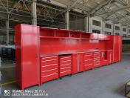 | Size:7110*600*1960 mm | customizable |  | $0.00
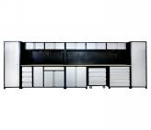 | Size:5200*600*1960 mm | customizable |  | $0.00
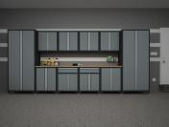 | Size:4660*600*2090 mm Weight:400 KG | customizable |  | $0.00
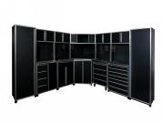 | Size:3050*1250*2100mm Weight:686 KG | customizable |  | $0.00
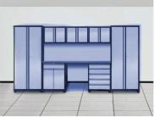 | Size: 4200*600*1960 mm | customizable |  | $0.00
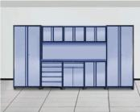 | Size:4200*600*1960 mm | customizable |  | $0.00
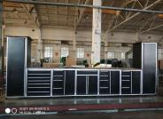 | Size:5200*600*1960 mm Weight:580KG | customizable |  | $0.00
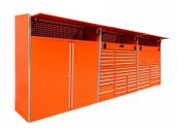 | Size:5490*650*1800 mm Weight:625KG | customizable |  | $0.00
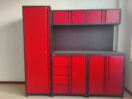 | Size:2200*600*1990 mm Weight:200KG | customizable |  | $0.00
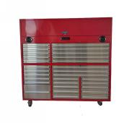 | Size:1830*650*1800mm | customizable |  | $0.00
 | Size:1830*650*1800mm | customizable |  | $0.00
 | Size:1700*750*617mm Weight:210KG | customizable |  | $0.00
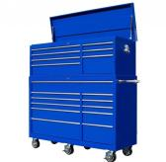 | Size:1430*650*1610mm Weight:281KG | customizable |  | $0.00
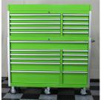 | Size:1430*650*1610mm Weight:285KG | customizable |  | $0.00
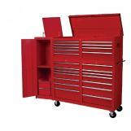 | Size:2200*650*1500mm Weight:335KG | customizable |  | $0.00
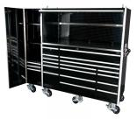 | Size:2200*650*1500mm Weight:297KG | customizable |  | $0.00
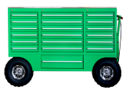 | Size:1780*610*1260mm Weight:273KG | customizable |  | $0.00
 | Size:2200*650*2000mm Weight:268KG | customizable |  | $0.00

